Maseerah Khatoon
Issue # | Task | Screen name | Screenshot | Issue | Priority | Heuristic Principle violated | Recommendation
4 | Build Profile | Build Profile |  | Uniformity in colors and button alignment | Low | Consistency & standards | The sign up screens had blue buttons and here there are green colors. A standard color theme should be followed
9 | Search Doctors | Doctor details | 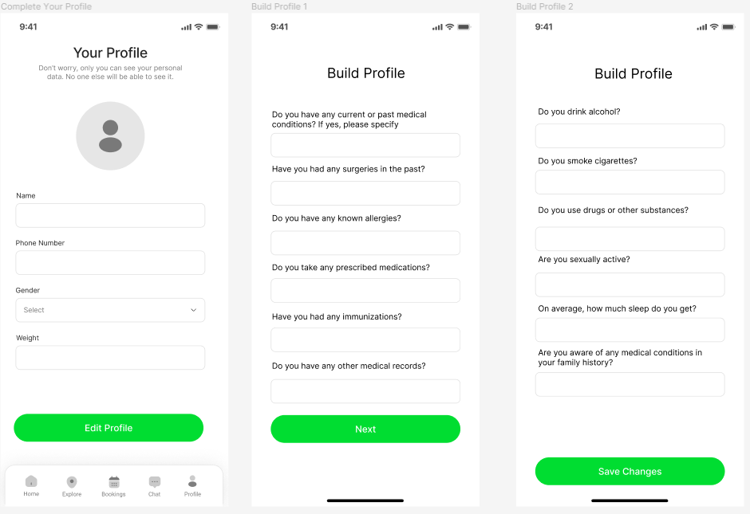 | Reviews take up quite some space | Low | Visibilty of system status | Layout can be made more compact for the reviews area allowing option to expand the reviews to view
12 | Book Appointment | Appointment details | 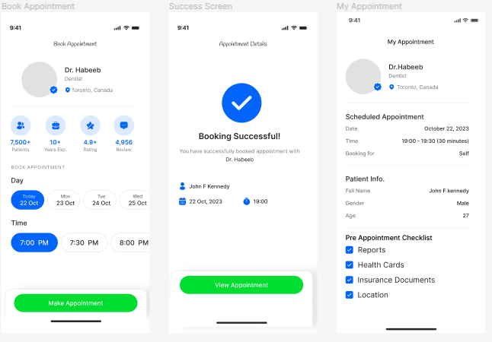 | Inconsistent fonts | Low | Consistency & standards | Make all text fonts same to keep consistent view and design
13 | View Appointment | Appointment details | 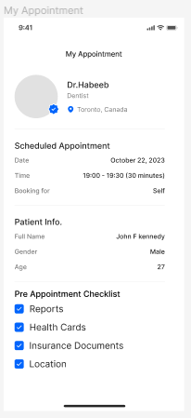 | Important information is not highlighted among other text | Low | Visibility | Keep necessary appointment details and keywords highlighted so they can be focussed on
15 | View Appointment | Appointment details |  | Users should be given an option to share appointment details or set reminders | Low | User control and Freedom | Add an option to set reminders for appointment and a button to share the appointment details with personal contacts

